Overview
Overview
June 24, 2022
FMCF Version 1.1

FFM Business Data Elements
FMCF Context | The FFM Business Data Elements are part of the Federal Integrated Business Framework (FIBF). The FIBF is a model that enables the Federal government to coordinate and document common business needs across agencies, focusing on outcomes, data, and cross-functional end-to-end business processes. FIBF can be used to drive performance discussions and investment decisions, as a model for acquiring and implementing government-wide solutions, and to establish roles and responsibilities for end-to-end process service delivery. In the Federal Financial Management (FFM) Functional Area, the FFM FIBF documents are included in the Financial Management Capability Framework (FMCF) that provides the common set of standards and capabilities that are the foundation for all offerings in the Financial Management (FM) Quality Service Management Office (QSMO) Marketplace. | 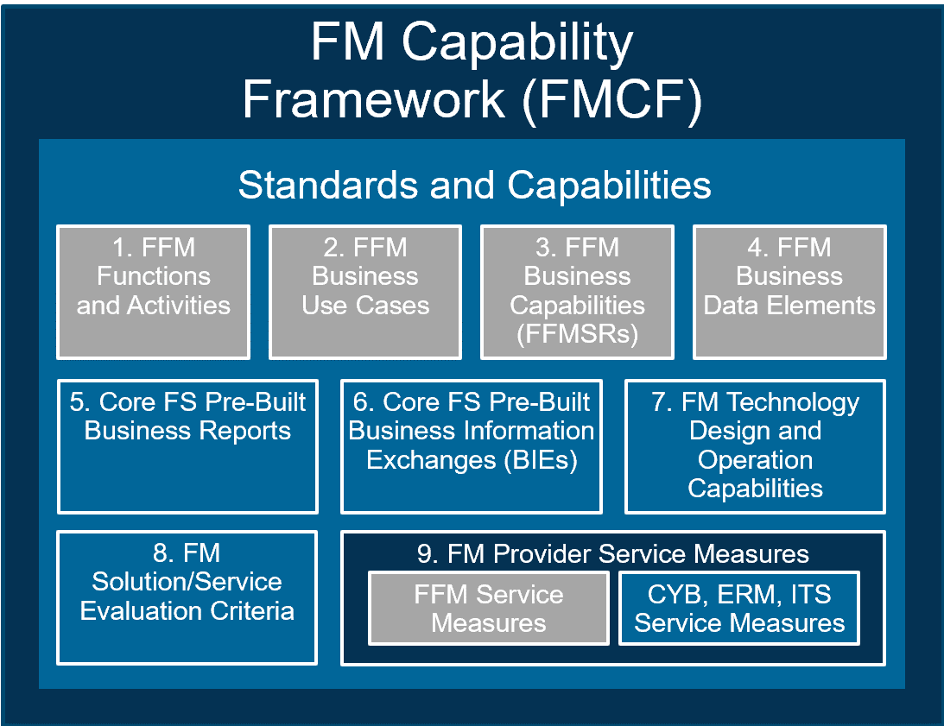
Tab | Description
Cover | Provides the version publication date of the Business Data Element List workbook
Change Log | Describes the change(s) that have occurred with the Business Data Elements and the rationale for the change
Overview | Lists each workbook tab and provides an explanation of each tab's contents
Instructions | Explains how to filter columns in order to get additional context related to the business data elements
Guiding Principles | Describes the set of rules that govern the generation of Business Data Elements
Legend | Describes the attributes that may be defined for each Business Data Element
Business Data Element List | Lists Business Data Elements and attributes
Auth-Other Sources | Provides an index (i.e., bibliography) of authoritative and other references from which Business Data Elements are identified. Each item in the bibliography is numbered for reference in the Business Data Element List tab

Instructions
Instructions
June 24, 2022
FMCF Version 1.1

Instructions for Using this Workbook
On the "Business Data Elements List" tab, users are able to filter the complete list of business data elements by Functional Area, Data Element Label, Service Activity, Data Group Name, Business Capability Reference, Authoritative References, Core FS Baseline Solution Pre-Loaded Master Reference Data, etc.
Example: Filtering on "Data Group" for items containing "ACS" A data group can be used to identify elements that comprise a set of information. Account Classification Structure (ACS) Information is an example of a data group. By applying a filter to the "Data Group" column, a user can see all the data elements that comprise the Account Classification Structure.
1
1
1
 | Click the arrow in the cell containing "Data Group Name"
2
 | Type ACS in the search bar
3
 | Either hit 'Enter' for the complete set of items containing "ACS" or check the boxes next to the items that you want to view.
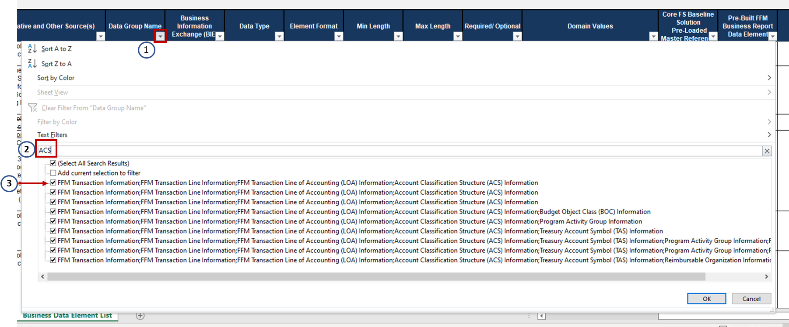

1
2
Example: Filtering "Pre-Loaded Master Reference Data" for "Required". The "Core FS Baseline Solution Pre-Loaded Master Reference Data" column indicates whether pre-loading the master reference data into the Core FS Baseline Solution is Required, Optional, or Conditional. By filtering on this column, users can find the data elements for which standardized reference data must be pre-loaded.
 | Click the arrow in the cell containing "Core FS Baseline Solution Pre-Loaded Master Reference Data"
 | Type "Required" in the search bar
3
 | Hit 'Enter' for the complete set of data elements for which reference data is required to be pre-loaded in the Core FS Baseline Solution.
