IDD Overview
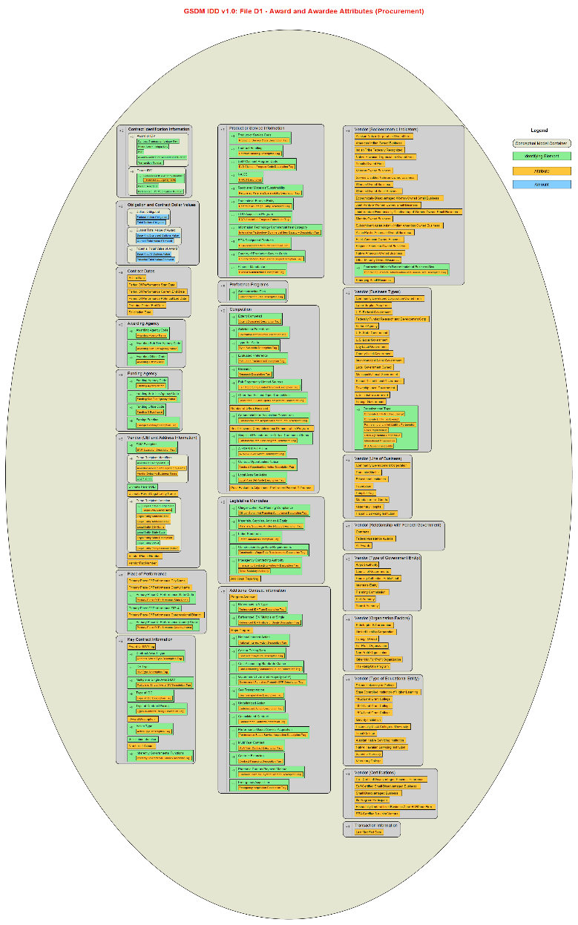
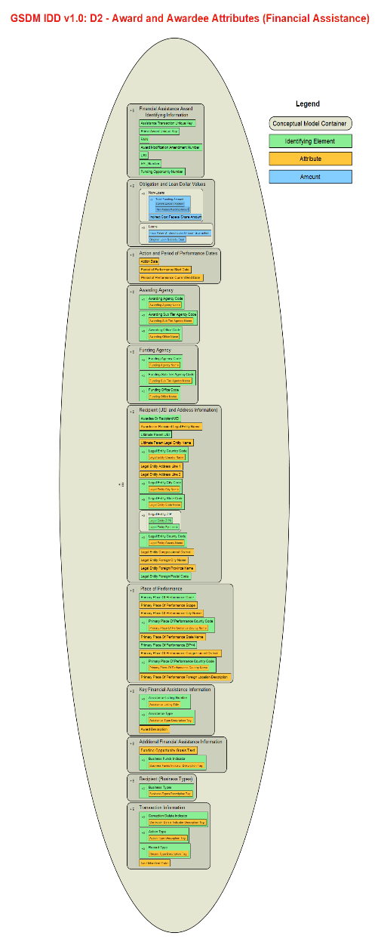
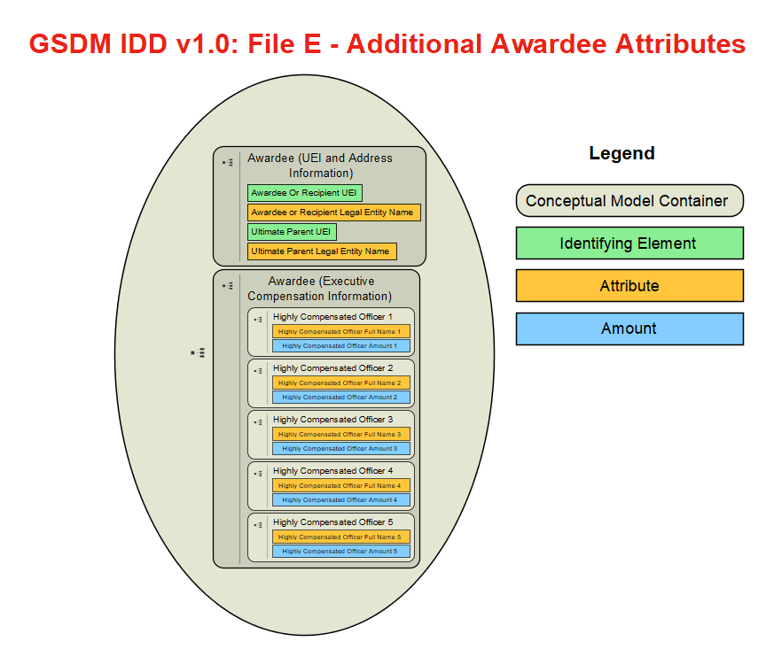
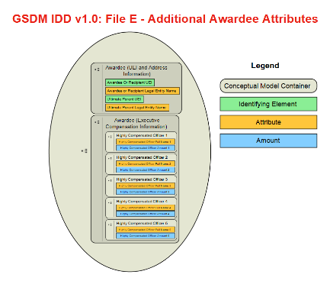
Governmentwide Spending Data Model (GSDM), formerly known as "DATA Act Information Model Schema (DAIMS)" Interface Definition Document (IDD) Overview

Purpose of the IDD
This document specifies how your agency's data (and which data elements) will be extracted from interface systems by the Data Broker. During the monthly publication process, this data is presented to your agency for inspection, crossfile validation, and monthly attestation. After publication, the data is stored in our database and published on USAspending.gov. During the quarterly certification process, the previously published data is presented to your agency Senior Accountable Official (still in the context of the 3 monthly submissions that make up the quarter) for any needed updates and for final inspection and certification. Once data from a month has been certified, any update to the data is re-published/re-certified at the same time.
Use this document to understand the format the extracted data will take when it is presented to you by the Data Broker. It also provides traceability back to the original sources of the data.

Extraction Content Detail for Files File D1, File D2, E, & F
The extraction detail tabs for Files File D1, File D2, E, and F specify how the data will be presented by the Data Broker after extraction.
File D1 contains the award and awardee attributes information for procurement primarily sourced from FPDS. Information as to how each element relates to FPDS appears in columns G through L. For elements that are derived by the Broker and not sourced directly from FPDS, those columns will be noted as "N/A."
File D2 contains the award and awardee attributes information for financial assistance primarily sourced from the Financial Assistance Broker Submission (FABS) component of the Data Broker. For items derived by the Broker, refer to the Extracted/Derived column G.
File E contains additional awardee attributes information sourced from SAM.
File F contains sub-award and subawardee attributes information sourced from FSRS.
Note: Specifications for File A (Appropriations Account), File B (Object Class Program Activity), File C (Award Financial) and FABS are available in a complementary document called the Reporting Submission Specification (RSS).

The columns in each submission detail tab convey:
Structured Sort Order –indicates the default sequence of data elements in each tab while also conveying the logical grouping of each element within the data model. It is tab and release-specific (i.e., not necessarily the same across tabs and releases), and intended to allow users to easily return to the default element order after sorting alphabetically. The first two digits correspond to the major grouping of the element (described in the Structured Sort Order Categories section of this page), with the remainder ensuring a logical order within the category and conveying each element's hierarchical relationship to others in its major category. The structured sort order has no effect on submissions, but is intended to help users better understand the relationship between elements and the data model.
Element Number – a unique identifier for each element. When an element is included in more than one tab, it retains the same element number. When referencing an element, use the element number, as it will stay constant between releases.
Data Element Label – a unique label for each element. When an element is included in more than one tab, it retains the same data element label.
Grouping – this column contains the category in which an element is grouped, also represented by the first two digits of the Structured Sort Order. This grouping has no effect on submissions, but is intended to help users better understand the relationship between elements and the data model.
Definition – contains the business definition of the data element. When an element is included in more than one tab, it retains the same definition.
Example Value – demonstrates an acceptable data entry value. Applies to and present in File D2 only.
Extracted/Derived - indicates whether a data element is extracted from the agency's FABS submission or is derived by FABS based on that submission. In the IDD, this is present in File D2 only.
Data Type – boolean, integer, string, or numeric (may contain decimal).
Max Field Length – indicates the maximum length of the data element value.
FPDS Element Number – corresponding element number from FPDS. Applies to and present in File D1 only.
FPDS Element Name – a unique label from the FPDS Data Dictionary. Applies to and present in File D1 only.
FPDS Element XML Tag Name – corresponding XML tag from the FPDS Atom feed. Applies to and present in File D1 only.
FPDS Award Atom Feed Path– full path in the Award Atom feed for element, if applicable. Applies to and present in File D1 only.
FPDS IDV Atom Feed Path – full path in the IDV Atom feed for the element, if applicable. Applies to and present in File D1 only.
FPDS Definition – contains the business definition from the FPDS Data Dictionary. Applies to and present in File D1 only.
SAM Executive Compensation CSV Header Name – corresponds to element name in SAM. Applies to and present in File E only.
Business Line – identifies the business line where the element applies. Values include financial assistance, procurement, and a combination of procurement and financial assistance. Applies to and present in F only.
FSRS Export Web Service Element Name – a unique label from the FSRS Export Web Service identifying the source of the data element. Applies to and present in File F only.
FFATA Report Display Name – a unique label from the FSRS FFATA Report Display identifying where the data element is displayed in those reports. Applies to and present in File F only.
Award Level – indicates whether the data element is from the prime award or the sub-award. Applies to and present in File F only.
Terse 30 Label – provides shortened versions of the data element names.
Note: To further the goal of data standardization, the following set of structured sort orders follow a standard 21 conceptual category structure across all files (in the files themselves, this is captured in the 'grouping' column). This is the reason that Files File D2, E and F have gaps in their category number sequences. For example: at present, only File D1 contains elements that speak to category 11 (Legislative Mandates). If and when another file is updated to also speak to Legislative Mandates, category 11 would also be included as a structured sort order category there.

Structured Sort Order Categories: File D1
01: Contract Identification Information
02: Obligation and Contract Dollar Values
03: Contract Dates
04: Awarding/Funding Agency
05: Vendor (UEI and Address Information)
06: Place of Performance
07: Key Contract Information
08: Product or Service Information
09: Preference Programs
10: Competition
11: Legislative Mandates
12: Additional Contract Information
13: Vendor (Socioeconomic Indicators)
14: Vendor (Business Types)
15: Vendor (Line of Business)
16: Vendor (Relationship with Federal Government)
17: Vendor (Type of Government Entity)
18: Vendor (Organization Factors)
19: Vendor (Type of Educational Entity)
20: Vendor (Certifications)
21: Transaction Information

Structured Sort Order Categories: File D2
01: Financial Assistance Identification Information
02: Obligation and Loan Dollar Values
03: Action and Period of Performance Dates
04: Awarding/Funding Agency
05: Recipient (UEI and Address Information)
06: Place of Performance
07: Key Financial Assistance Information
12: Additional Financial Assistance Information
14: Recipient (Business Types)
21: Transaction Information

Structured Sort Order Categories: File E
05: Awardee (UEI and Address Information)
13: Awardee (Executive Compensation Information)

Structured Sort Order Categories: File F
01: Prime Award Identification Information
02: Prime Award Obligation Dollar Value
03: Prime Award Dates
04: Prime Award Awarding/Funding Agency
05: Prime Award Recipient Information
06: Prime Award Place of Performance
07: Key Prime Award Information
08: Subaward Identification Information
09: Subaward Obligation Dollar Value
10: Subaward Dates
11: Subaward Recipient Information
12: Subaward Place of Performance
13: Key Subaward Information
14: Subawardee Executive Compensation Information

Content Detail for Domain Values-IDD Tab
Many Governmentwide Spending Data Model (GSDM) elements have a finite set of possible values, whether in File D1, D2, or F.
The Domain Values document provides these values, either:
1) directly, by listing them for a given element; or
2) indirectly, by providing a reference and URL to an external, authoritative source that contains them.
Description of each column in the Domain Values tab:
File – The IDD file (D1, D2, F, or some combination of these) that the Data Element Label appears in.
Data Element Label – a unique label for each element. Elements use consistent labels throughout the DAIMS. Note that rows combine multiple elements if they are covered by the same Domain Values.
Code – A specific valid code for this particular data element. Some rows do not contain a code per se (featuring "N/A" in this case), but in this case they will still contain a value in the Code Source column and usually the Code Label column.
Code Label – Shorthand label describing the meaning of the specific code in the Code column, or the full domain value label where there is no code.
Code Description – Longhand description of the Code Label, where one exists.
Code Source – Source that the code(s) for this Data Element were derived from.

Information Flow Diagram
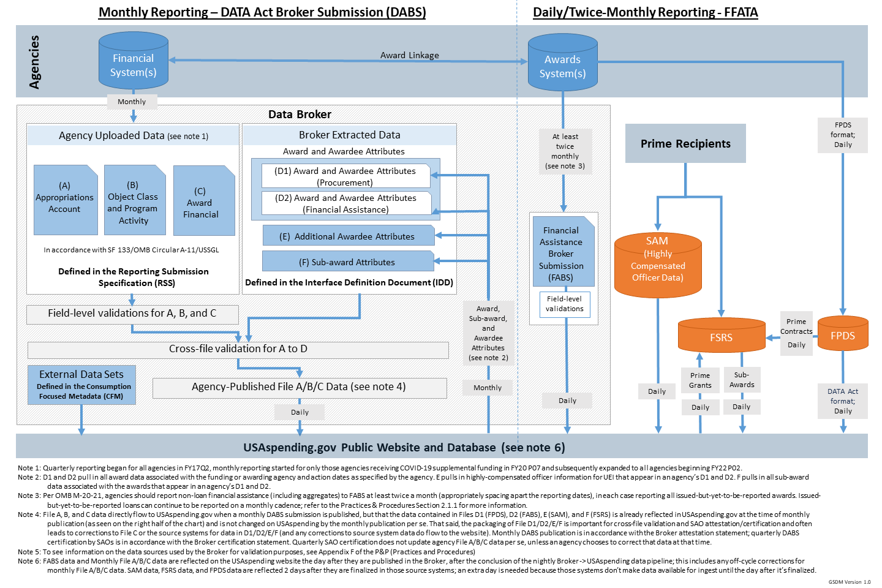

GSDM Element Relationships
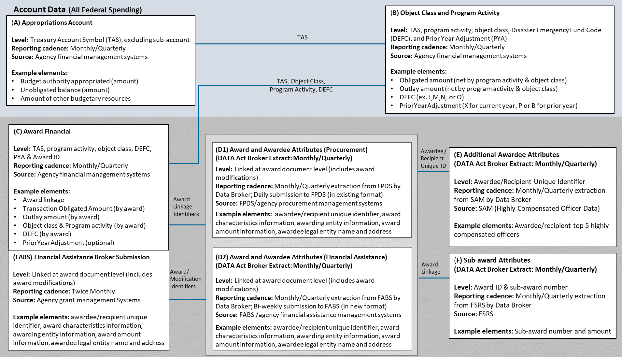

Data Model Diagrams: File D1, File D2, E, and F (click on an image below to download the full data model from the web)

